Navigating the Q&A Table
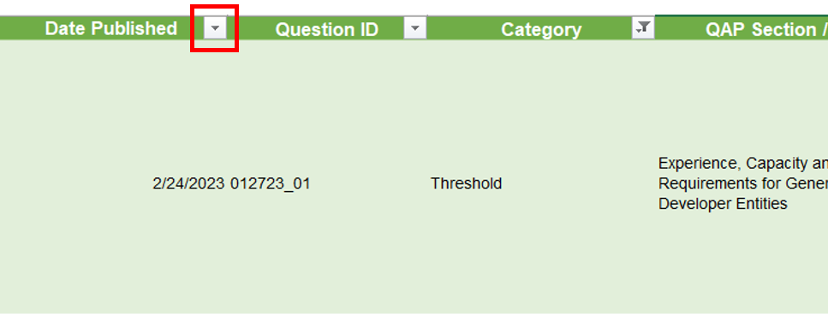
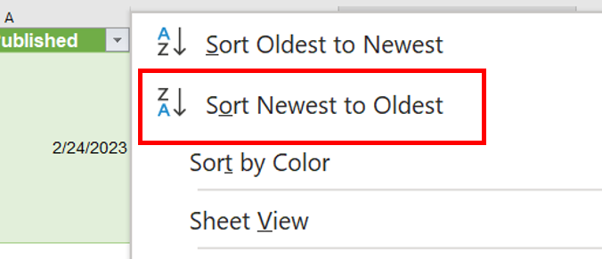
How to Filter and Sort for Specific Questions
1. Select the "Category" drop-down.

2. Uncheck the "Select all" box.
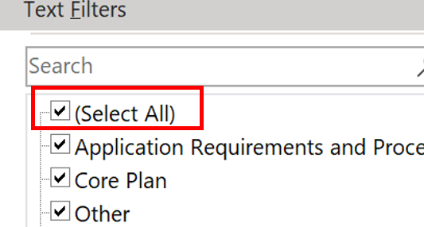

3. Select the Category of interest (in this example, "Threshold"). The table will now only include questions related to that topic.
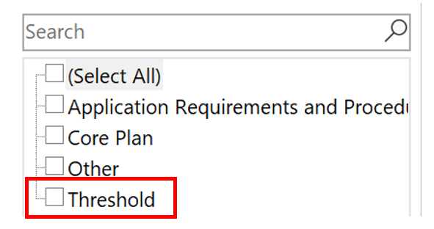

4. Click the "QAP Section / Sub-category" drop-down.

5. Select the "QAP Section" or "Sub-category" of interest. The table will now only include questions related to that topic.
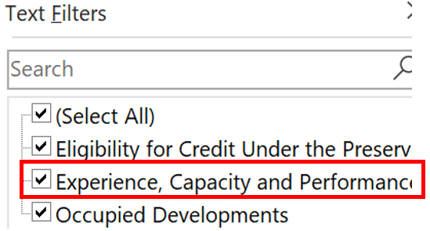

6. You can also "Sort" (rather than "Filter") by a specific column. For example, the below images show how to sort by date.

